Verapamil_Sep 23
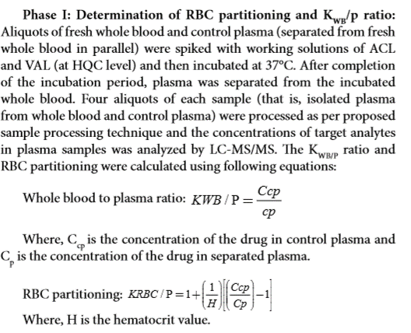
Human Data :

SampleName | DataPathName | SamplePosition | SampleType | LevelName | AcqTime | CompoundName | ExpectedConcentration | ISTD RetentionTime | Transition | Accuracy | Area | Dilution | ISTD Area | ISTDResponseRatio | RetentionTime | Conc. | ManuallyIntegrated | AcqMethodFileName
Verapamil_Human_Ref Plasma__1_____XP1-A10_Inj EPA_Pharvaris_092320_11 |  |  |  |  | 9/24/20 | Verapamil | N/A | 1.15 | 455.2 / 150.0 | N/A | 2537000 | 1 | 6803000 | 0.373 | 1.12
Verapamil_Human_Ref Plasma__2_____XP1-B10_Inj EPA_Pharvaris_092320_12 |  |  |  |  | 9/24/20 | Verapamil | N/A | 1.16 | 455.2 / 150.0 | N/A | 2487000 | 1 | 6875000 | 0.3618 | 1.13
Verapamil_Human_Ref Plasma__3_____XP1-A6_Inj EPA_Pharvaris_092320_13 |  |  |  |  | 9/24/20 | Verapamil | N/A | 1.15 | 455.2 / 150.0 | N/A | 1926000 | 1 | 6960000 | 0.2767 | 1.12
Verapamil_Human_Ref Plasma__4_____XP1F15_Inj EPA_Pharvaris_092320_14 |  |  |  |  | 9/24/20 | Verapamil | N/A | 1.16 | 455.2 / 150.0 | N/A | 1777000 | 1 | 7060000 | 0.2517 | 1.13
Verapamil_Human_Plasma__1_____XP1-A10_Inj EPA_Pharvaris_092320_6 |  |  |  |  | 9/24/20 | Verapamil | N/A | 1.17 | 455.2 / 150.0 | N/A | 2036000 | 1 | 6851000 | 0.2972 | 1.13
Verapamil_Human_Plasma__2_____XP1-B10_Inj EPA_Pharvaris_092320_7 |  |  |  |  | 9/24/20 | Verapamil | N/A | 1.16 | 455.2 / 150.0 | N/A | 1795000 | 1 | 6812000 | 0.2635 | 1.13
Verapamil_Human_Plasma__3_____XP1-A6_Inj EPA_Pharvaris_092320_8 |  |  |  |  | 9/24/20 | Verapamil | N/A | 1.16 | 455.2 / 150.0 | N/A | 1303000 | 1 | 6942000 | 0.1877 | 1.12
Verapamil_Human_Plasma__4_____XP1F15_Inj EPA_Pharvaris_092320_9 |  |  |  |  | 9/24/20 | Verapamil | N/A | 1.15 | 455.2 / 150.0 | N/A | 1453000 | 1 | 7063000 | 0.2057 | 1.12
BLANK_Human___1_____X_Inj EPA_Pharvaris_092320_2 |  |  |  |  | 9/24/20 | Verapamil | N/A | 1.18 | 455.2 / 150.0 | N/A | 5.738 | 1 | 9096000 | 6.308E-07 | 1.1
BLANK_Human___2_____X_Inj EPA_Pharvaris_092320_3 |  |  |  |  | 9/24/20 | Verapamil | N/A | 1.16 | 455.2 / 150.0 | N/A | 419 | 1 | 6580000 | 0.00006368 | 1.13

SampleName | Area | ISTD Area | ISTDResponseRatio | Blanked | Cb/Cp Ratio | Kp, Partition ratio
Verapamil_Human_Ref Plasma__1_____XP1-A10_Inj EPA_Pharvaris_092320_11 | 2,537,000 | 6,803,000 | 0.373 | 0.373 | 1.06 | 1.14
Verapamil_Human_Ref Plasma__2_____XP1-B10_Inj EPA_Pharvaris_092320_12 | 2,487,000 | 6,875,000 | 0.362 | 0.362 | 1.20 | 1.44
Verapamil_Human_Ref Plasma__3_____XP1-A6_Inj EPA_Pharvaris_092320_13 | 1,926,000 | 6,960,000 | 0.277 | 0.277 | 1.68 | 2.52
Verapamil_Human_Ref Plasma__4_____XP1F15_Inj EPA_Pharvaris_092320_14 | 1,777,000 | 7,060,000 | 0.252 | 0.252 | 1.54 | 2.19
Verapamil_Human_Plasma__1_____XP1-A10_Inj EPA_Pharvaris_092320_6 | 2,036,000 | 6,851,000 | 0.297 | 0.297 | average | average
Verapamil_Human_Plasma__2_____XP1-B10_Inj EPA_Pharvaris_092320_7 | 1,795,000 | 6,812,000 | 0.264 | 0.263 | 1.37 | 1.82 |  | If Kp is negative, convert to zero when calculating average
Verapamil_Human_Plasma__3_____XP1-A6_Inj EPA_Pharvaris_092320_8 | 1,303,000 | 6,942,000 | 0.188 | 0.188
Verapamil_Human_Plasma__4_____XP1F15_Inj EPA_Pharvaris_092320_9 | 1,453,000 | 7,063,000 | 0.206 | 0.206 | HCT | 0.45 |  | Make sure HCT level is correct for each species
BLANK_Human___1_____X_Inj EPA_Pharvaris_092320_2 | 6 | 9,096,000 | 0.000
BLANK_Human___2_____X_Inj EPA_Pharvaris_092320_3 | 419 | 6,580,000 | 0.000 | 0.000

